State Sample(Generic)
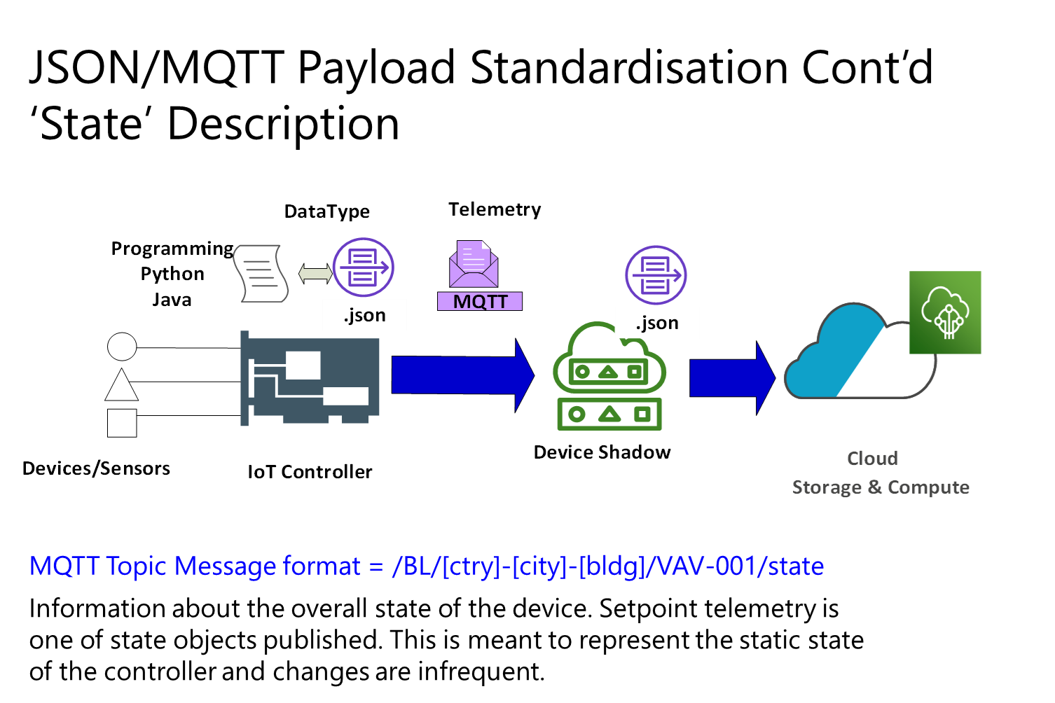
Property | Sensor Signal Type | Format | Read/Write (Variable) | Point Abbreviation | Point Type | Payload Interval | MQTT Payload
ID -Credentials | N/A | String | R/W | InstGuid | SoftPoint | CoV,24hr | State/Config
local hostname | N/A | String | R/W | InstName | SoftPoint | CoV,24hr | State/Config
Instance-type | N/A | String | R/W | TypeName | SoftPoint | CoV,24hr | State/Config
Instance-action ( IoTGW or IoTCtrl) | N/A | String | R | InstAct | SoftPoint | CoV,24hr | State
Local-ipv4 | N/A | String | R | IPAddr | SoftPoint | CoV,24hr | State
MacAddr | N/A | String | R | MACAddr | SoftPoint | CoV,24hr | State
Timestamp | N/A | String (RFC 3339) | R | Timestamp | SoftPoint | CoV,24hr | State
Fault Status | N/A | String | R | Flt | SoftPoint | CoV,24hr | State
Serial Number | N/A | String | R | SerNum | SoftPoint | CoV,24hr | State
Firmware Version | N/A | String | R | FirmVer | SoftPoint | CoV,24hr | State
Manufacturer | N/A | String | R | Man | SoftPoint | CoV,24hr | State
Temperature Setpoint | N/A | Num,0 | R/W | TempStPt | SoftPoint | CoV,24hr | State/Config
Cooling Setpoint | N/A | Num,0 | R/W | FCUOccCoolStPt | SoftPoint | CoV,24hr | State/Config
Unoccupied Cooling Setpoint | N/A | Num,0 | R | FCUUnoccCoolStPt | SoftPoint | CoV,24hr | State
Unoccupied Heating Setpoint | N/A | Num,0 | R | FCUUnoccHtgStPt | SoftPoint | CoV,24hr | State
Pressure Setpoint | N/A | Num,0 | R | PressStPt | SoftPoint | CoV,24hr | State
Flow Setpoint | N/A | Num,0 | R | FlowStPt | SoftPoint | CoV,24hr | State
Charge Level | N/A | Num,0 | R | BatChrgLev | SoftPoint | CoV,24hr | State
Time to Discharge | N/A | Num,0 | R | BatTmDschrg | SoftPoint | CoV,24hr | State
Time to Charge | N/A | Num,0 | R | BatTmChrg | SoftPoint | CoV,24hr | State

Pointset example(FCU)
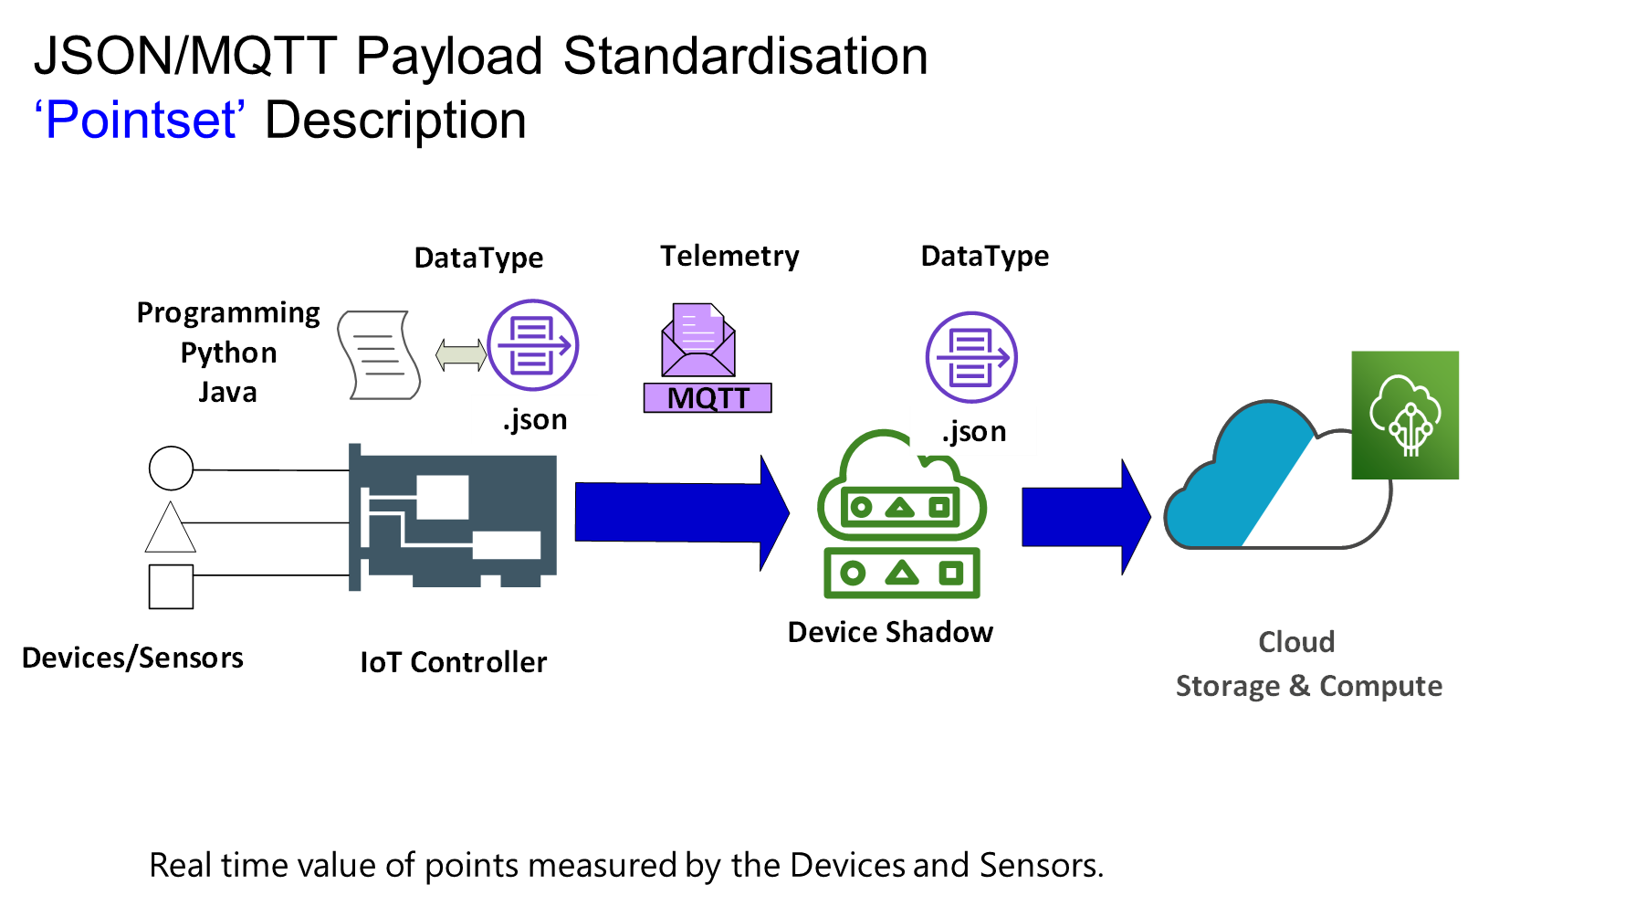
Property | Sensor Signal Type | Format | Read/Write (Variable) | Point Abbreviation | Point Type | Healthwatch [Healthy Threshold, Unhealthy 'Threshold, Timeout, Interval] | MQTT Payload
Occupied Mode | DO | Boolean | R | FCUOccMd | Hardwired | 2,2,30s, 30s | Pointset
Chilled Water Valve | AI/AO | Number | R/W | FCUCWVlv | Hardwired | 2,2,30s, 30s | Pointset/Config
Hot Water Valve | AI/AO | Number | R/W | FCUHWVlv | Hardwired | 2,2,30s, 30s | Pointset/Config
Supply Air Temperature | AI | Number | R | FCUSATemp | Hardwired | 2,2,300s, 300s | Pointset
Return Air Temperature | AI | Number | R | FCURATemp | Hardwired | 2,2,300s, 300s | Pointset
Fan Command | DI/DO | Boolean | R/W | FCUFanCmnd | Hardwired | None | Pointset/Config
Fan Speed | AI/AO | Number or Abbreviation | R/W | FCUFanSpd | Hardwired | 2,2,300s, 300s | Pointset/Config
Zone Temperature | AI | Number | R | FCUZnTemp | Hardwired | 2,2,300s, 300s | Pointset
Zone Temperature Setpoint | N/A | Number | R | FCUZnTempStPt | SoftPoint | COV,24hr | State
Occupied Cooling Setpoint | N/A | Number | R | FCUOccCoolStPt | SoftPoint | COV,24hr | State
Occupied Heating Setpoint | N/A | Number | R | FCUOccHtgStPt | SoftPoint | COV,24hr | State
Unoccupied Cooling Setpoint | N/A | Number | R | FCUUnoccCoolStPt | SoftPoint | COV,24hr | State
Unoccupied Heating Setpoint | N/A | Number | R | FCUUnoccHtgStPt | SoftPoint | COV,24hr | State

FCU
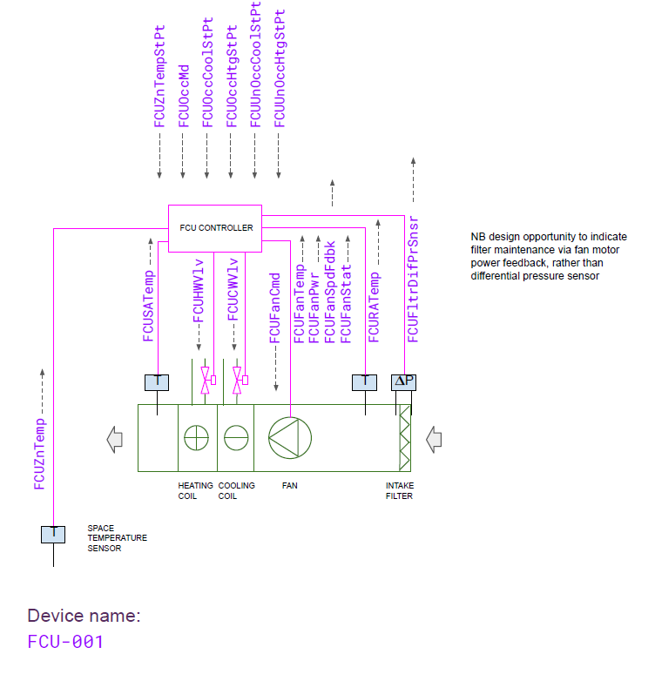
Property | Sensor Signal Type | Format | Read/Write | Point Abbreviation | Point Type | Healthwatch [Healthy Threshold, Unhealthy 'Threshold, Timeout, Interval] | MQTT Payload
ID -Credentials | N/A | String | R/W | InstGuid | SoftPoint | 2,2,24hr, COV | State/Config
local hostname | N/A | String | R/W | InstName | SoftPoint | 2,2,24hr, COV | State/Config
Instance-type | N/A | String | R/W | TypeName | SoftPoint | 2,2,24hr, COV | State/Config
Instance-action ( IoTGW or IoTCtrl) | N/A | String | R | InstAct | SoftPoint | 2,2,24hr, COV | State
Local-ipv4 | N/A | String | R | IPAddr | SoftPoint | 2,2,24hr, COV | State
MacAddr | N/A | String | R | MACAddr | SoftPoint | 2,2,24hr, COV | State
Timestamp | N/A | String (RFC 3339) | R | Timestamp | SoftPoint | 2,2,24hr, COV | State
Fault Status | N/A | String | R | Flt | SoftPoint | 2,2,24hr, COV | State
Serial Number | N/A | String | R | SerNum | SoftPoint | 2,2,24hr, COV | State
Firmware Version | N/A | String | R | FirmVer | SoftPoint | 2,2,24hr, COV | State
Manufacturer | N/A | String | R | Man | SoftPoint | 2,2,24hr, COV | State
FCU Supply Air Temperature | AI | Num,0 | R | FCUSATemp | Hardwired | 2,2,30s, 30s | Pointset
FCU Hotwater Valve | AI | Num,0 | R | FCUHWV1v | Hardwired | 2,2,30s, 30s | Pointset
FCU Coldwater Valve | AI | Num,0 | R | FCUCWV1v | Hardwired | 2,2,30s, 30s | Pointset
Fan Command | AO/AI | Num,0 | R/W | FCUFanCmd | Hardwired | 2,2,30s, 30s | Pointset
Fan Temperature | AI | Num,0 | R | FCUFanTemp | Hardwired | 2,2,30s, 30s | Pointset
FCU Fan Power | AI | Num,0 | R | FCUFanPWR | Hardwired | 2,2,30s, 30s | Pointset
FCU Fan SpeedFdbk | AI | Num,0 | R | FCUFanSpdFDBK | Hardwired | 2,2,30s, 30s | Pointset
FCU Fan Status | AI | Num,0 | R | FCUFanStat | Hardwired | 2,2,30s, 30s | Pointset
FCU Return Air Temperature | AI | Num,0 | R | FCURATemp | Hardwired | 2,2,30s, 30s | Pointset
FCU Filter Differential Pressure Sensor | AI | Num,0 | R | FCUFltDifPrSnsr | Hardwired | 2,2,30s, 30s | Pointset
FCU zone temperature | AI | Num,0 | R | FCUZnTemp | Hardwired | 2,2,30s, 30s | Pointset
Temperature Setpoint | N/A | Num,0 | R/W | TempStPt | SoftPoint | 2,2,24hr, COV | State/Config
Cooling Setpoint | N/A | Num,0 | R/W | FCUOccCoolStPt | SoftPoint | 2,2,24hr, COV | State/Config
Unoccupied Cooling Setpoint | N/A | Num,0 | R | FCUUnoccCoolStPt | SoftPoint | 2,2,24hr, COV | State
Unoccupied Heating Setpoint | N/A | Num,0 | R | FCUUnoccHtgStPt | SoftPoint | 2,2,24hr, COV | State
Pressure Setpoint | N/A | Num,0 | R | PressStPt | SoftPoint | 2,2,24hr, COV | State
Flow Setpoint | N/A | Num,0 | R | FlowStPt | SoftPoint | 2,2,24hr, COV | State
Charge Level | AI | Num,0 | R | BatChrgLev | SoftPoint | 2,2,24hr, COV | State
Time to Discharge | AI | Num,0 | R | BatTmDschrg | SoftPoint | 2,2,24hr, COV | State
Time to Charge | AI | Num,0 | R | BatTmChrg | SoftPoint | 2,2,24hr, COV | State

